Points List Cover Sheet
 | 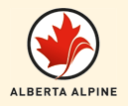
Alberta Alpine
2014-15
U16 Race Series
MEN |  | WOMEN

